Dyno Test
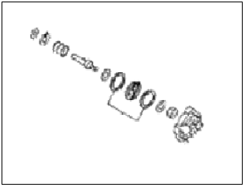
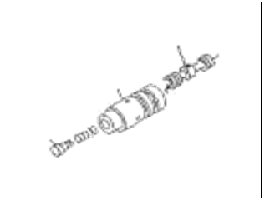
PT SAPTAINDRA SEJATI
PLANT REBUILD CENTER

 |  |  |  |  | DOCUMENT NO. | QR05-ENG-033
DYNO PROCESS CHECK SHEET |  |  |  |  | PUBLICATION DATE | 05/03/2015
FOR ALL ENGINE SERIES |  |  |  |  | REVISION NO. | 01
 |  |  |  |  | PAGE

WO NUMBER |  |  |  |  | START DATE / TIME
ENGINE MODEL |  |  |  |  | FINISH DATE / TIME
ENGINE SERIAL NO. |  |  |  |  | TEST BY
MACHINE MODEL
: GOOD CONDITION
X : BAD CONDITION ⊗ : NONE
INSPECTION

NO. | CHECK POINT | CONDITIONS TO BE CHECKED |  |  |  | CHECK | REMARKS

1 | ENGINE | A. | Mounting Bolt Stand and then adjust stand position
 | MOUNTING |  | engine in centering.
 |  | B. | Check Mounting Propeller Shaft.
 |  | C. | Install plate to the Flywheel Engine.
 |  | D. | Adjust Clearence propeller shaft between
 |  |  | front and rear standard.
 |  | E. | Install Lever block to engine stand, and make sure
 |  |  | fastened.
 |  | F. | Install water Piping to engine.
 |  |  | (use LTA for engine with Aftercooler SA)
 |  | G. | Install Hose for Vent Air Tube.
 |  | H. | Connect Exhaust Pipe with attention paid.
 |  | I. | Install Air Cleaner of Turbine Inlet.
 |  | J. | Connect Piping Charge Air Cooler to Turbocharger
 |  |  | and Intake Manifold for Engine type Intercooler (SAA).
 |  | K. | Connect hose fuel inlet and outlet engine.
 |  | L. | Connect all Sensor (Oil Pressure Sensor,
 |  |  | Oil Temperature, Boost Pressure, Air Temperature, Blow-by Pressure)
 |  |  | * (Sensor tightening torque 0.5 kgm)
 |  | M. | Connect Wiring Starting system to Battrey
 |  | N. | Fill Engine Oil for test only (SAE 15W40/ SAE 30)
 |  |  | STD : H+ 0~10 mm
 |  | O. | Install Oil Filter Engine for test only to Engine.
 |  | P. | Make sure if dynometer components are
 |  |  | correctly lubricated.
 |  | Q. | Check the Engine oil level.
 |  | R. | Check and Tighten FIP Coupling Mounting Bolts

2 | STARTING | A. | Assure that no leaked of oil, water or fuel is observed.
 | OF THE | B. | Assure that the engine oil pressure normal with standard
 | ENGINE | C. | Check error code, rpm low idle and high idle.
 |  |  | If not standard do adjustment
 |  | D. | Assure that no abnormal noise is produced out
 |  |  | of engine component.
 |  | E. | Washing all body of engine by hot water and air pressurized
 |  | F. | Take leakage by using developer test leakage
 |  |  | while engine running before reach working temperature
 |  | G. | Giving load to engine ±60 Minutes for warming up
 |  |  | (low & high idle with load about 30%)

: GOOD CONDITION
X : BAD CONDITION ⊗ : NONE
INSPECTION
NO. | CHECK POINT | CONDITIONS TO BE CHECKED |  |  |  | CHECK | REMARKS

3 | ENGINE | A. | Do Running Test Give Load Minimum and Maximum
 | PERFORMANCE |  | for each this step Refer to Performance test Checksheet
 | TEST |  | and compare std and actual
 |  | B. | Calculate Corrected Performance for POWER and TORQUE
 |  |  | after that record to Performance test Checksheet
 |  | C. | Recheck all Leakage to engine.
 |  | D. | Stop Engine for finishing

4 | FINISHING | A. | Drain Engine oil
 | PROCESS | B. | Take from Random Engine Oil for Sample and
 |  |  | it to Labolatory for oil analysis. (setiap 5x pemakaian Engine Oil)
 |  | C. | Change Engine Oil Filter with new one
 |  | D. | Fill New Engine Oil (SAE 15W40/ SAE 30).
 |  | E. | Release All Hose, Sensor and Piping from Dynometer.
 |  | F. | Dismounting Propeller shaft
 |  | G. | Install bolt and plug
 |  | H. | Tightening all bolt and plug
 |  | I. | Dismounting engine & Check tightening FIP coupling mounting Bolts

NOTE :

 | INSPECTION BY |  |  |  | APPROVAL BY

 | MECHANIC |  |  | QUALITY ASSURANCE (QA) |  | PROD. SUPERVISOR (SPV)

